Capital Contribution & Continge
Date of Fund Arrived/Disbursed | Investor Name | Investment Amount | Dividend Rate

Fiscal Year 2020 |  |  |  | % of Capital Contribution
2020-11-03 | Haiyan Wu | $200,000.00 | 7.75% | 26.6667%
2020-11-03 | Dongping Zhang | $180,000.00 | 7.50% | 24.0000%
2020-11-03 | Fengjie Hao | $60,000.00 | 7.50% | 8.0000%
2020-11-03 | Song Huang | $50,000.00 | 7.50% | 6.6667%
2020-11-03 | Yuchi Li / Rui Yang | $20,000.00 | 7.50% | 2.6667%
2020-11-03 | Yitong Deng | $20,000.00 | 7.50% | 2.6667%
2020-11-04 | AA Plus Medical PLLC | $200,000.00 | 7.75% | 26.6667%
2020-11-04 | Qian Xia | $20,000.00 | 7.50% | 2.6667%

 | Total Capital Contribution: | $750,000.00 |  | 100.0000%

Fiscal Year 2021 |  |  |  | % of Capital Contribution
2020-11-03 | Haiyan Wu | $200,000.00 | 7.75% | 17.6991%
2020-11-03 | Dongping Zhang | $180,000.00 | 7.50% | 15.9292%
2020-11-03 | Fengjie Hao | $60,000.00 | 7.50% | 5.3097%
2020-11-03 | Song Huang | $50,000.00 | 7.50% | 4.4248%
2020-11-03 | Yuchi Li / Rui Yang | $20,000.00 | 7.50% | 1.7699%
2020-11-03 | Yitong Deng | $20,000.00 | 7.50% | 1.7699%
2020-11-04 | AA Plus Medical PLLC | $200,000.00 | 7.75% | 17.6991%
2020-11-04 | Qian Xia | $20,000.00 | 7.50% | 1.7699%
Invest-in Equity
2021-10-26 | Huilin Ho | $200,000.00 | 7.75% | 17.6991%
2021-10-29 | Dongyan Li | $50,000.00 | 7.50% | 4.4248%
2021-10-29 | Steve Shay | $30,000.00 | 7.50% | 2.6549%
2021-11-05 | Jian Zhong | $50,000.00 | 7.50% | 4.4248%
2021-11-05 | DEMING ZHANG | $50,000.00 | 7.50% | 4.4248%

 | Total Capital Contribution: | $1,130,000.00 |  | 100.0000%

Fiscal Year 2022 |  |  |  | % of Capital Contribution
Exit Equity
2022-11-04 | Qian Xia | $20,000.00 | 7.50%

2020-11-03 | Haiyan Wu | $200,000.00 | 7.75% | 14.2857%
2020-11-03 | Dongping Zhang | $180,000.00 | 7.50% | 12.8571%
2020-11-03 | Fengjie Hao | $60,000.00 | 7.50% | 4.2857%
2020-11-03 | Song Huang | $50,000.00 | 7.50% | 3.5714%
2020-11-03 | Yuchi Li / Rui Yang | $20,000.00 | 7.50% | 1.4286%
2020-11-03 | Yitong Deng | $20,000.00 | 7.50% | 1.4286%
2020-11-04 | AA Plus Medical PLLC | $200,000.00 | 7.75% | 14.2857%
2021-10-26 | Huilin Ho | $200,000.00 | 7.75% | 14.2857%
2021-10-29 | Dongyan Li | $50,000.00 | 7.50% | 3.5714%
2021-10-29 | Steve Shay | $30,000.00 | 7.50% | 2.1429%
2021-11-05 | Jian Zhong | $50,000.00 | 7.50% | 3.5714%
2021-11-05 | DEMING ZHANG | $50,000.00 | 7.50% | 3.5714%
Invest-in Equity |  |  |  | 0.0000%
2022-03-29 | SCOTTY FASHION NY CORP. | $270,000.00 | 8.00% | 19.2857%
2022-11-04 | Wanyi Chen | $20,000.00 | 8.25% | 1.4286%

 | Total Capital Contribution: | $1,400,000.00 |  | 100.0000%

Fiscal Year 2023 |  |  |  | % of Capital Contribution
2020-11-03 | Haiyan Wu | $200,000.00 | 7.75% | 14.2857%
2020-11-03 | Dongping Zhang | $180,000.00 | 7.50% | 12.8571%
2020-11-03 | Fengjie Hao | $60,000.00 | 7.50% | 4.2857%
2020-11-03 | Song Huang | $50,000.00 | 7.50% | 3.5714%
2020-11-03 | Yuchi Li / Rui Yang | $20,000.00 | 7.50% | 1.4286%
2020-11-03 | Yitong Deng | $20,000.00 | 7.50% | 1.4286%
2020-11-04 | AA Plus Medical PLLC | $200,000.00 | 7.75% | 14.2857%
2021-10-26 | Huilin Ho | $200,000.00 | 7.75% | 14.2857%
2021-10-29 | Dongyan Li | $50,000.00 | 7.50% | 3.5714%
2021-10-29 | Steve Shay | $30,000.00 | 7.50% | 2.1429%
2021-11-05 | Jian Zhong | $50,000.00 | 7.50% | 3.5714%
2021-11-05 | DEMING ZHANG | $50,000.00 | 7.50% | 3.5714%
2022-03-29 | SCOTTY FASHION NY CORP. | $270,000.00 | 8.00% | 19.2857%
2022-11-04 | Wanyi Chen | $20,000.00 | 8.25% | 1.4286%
Invest-in Equity
2023-05-08 | CrowdFunz Holding LLC | $500,000.00
2023-05-09 | KZZ MANAGEMENT LLC | $500,000.00

 | Total Capital Contribution: | $1,400,000.00 |  | 100.0000%

Contingency & Intracompany Transactions
2023-05-08 | ABSSV GROUP INC. | $400,000.00 |  | *Developer paid $400,000.00 principal on 5/8/2023
2023-05-08 | CrowdFunz 822 LLC | $500,000.00 |  | *CrowdFunz 822 LLC invested $500,000.00 principal on 5/8/2023
 | From:

 | To:

2023-05-09 | Developer | $29,960.00 |  | *Developer paid $29,960.00 prepaid interest on 5/8/2023

2023-05-09 | KZZ MANAGEMENT LLC | $500,000.00 |  | *KZZ Management LLC invested $500,000.00 principal on 5/9/2023

2023-08-24 | Developer | $1,020,083.33 |  | *Developer paid $1,000,000.00 principal plus $20,083.33 interest on 8/24/2023 | $(20,083.33)
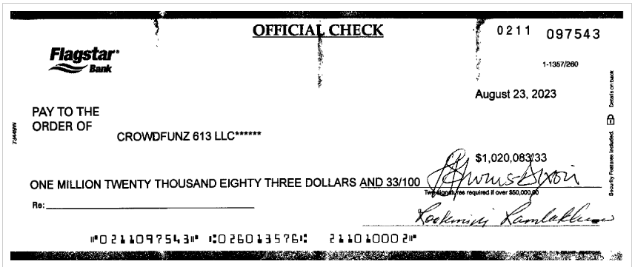
2023-08-24 | KZZ MANAGEMENT LLC | $(500,000.00) |  | *KZZ Management LLC received $500,000.00 principal on 8/24/2023; the principal has no interest/dividend return

2023-08-29 | CrowdFunz 825 LLC | $(20,000.00)
2023-08-29 | CrowdFunz 825 LLC | $(20,000.00)
2023-08-30 | CrowdFunz 825 LLC | $20,000.00
2023-11-20 | CrowdFunz Holding LLC | $(100,000.00)

 |  | $(120,000.00)

